Tension Analysis & Design
ANALYSIS FOR AXIAL TENSION |  |  |  |  |  |  | Block Shear Investigation Parameters |  |  |  |  |  |  |  | DESIGN FOR AXIAL TENSION
 |  |  |  |  |  |  | Tension Holes |  | 3 |  | Length of Connection
 |  |  |  |  |  |  | Shear Holes |  | 5 |  |  |  |  |  | Design Parameters |  |  |  |  | Design Philosophy |  | LRFD
Ultimate Yielding and Fracture Parameters |  |  |  |  |  |  | Bock Shear Incidents |  | 2 |  | 8 |  |  |  | Dead Load (kips) |  | 10 |  |  | Steel Type |  | A529 Gr. 50
Given Parameters |  |  |  | Tensile Capacities |  |  | Shearing Incidents |  | 2 |  |  |  |  |  | Live Load (kips) |  | 20
Structural Member: | ST4X9.2 |  |  | Design Philosophy: |  | LRFD |  |  |  |  |  |  |  |  |  |  |  |  |  | Fy, Yield Stress (ksi) |  | 50 |  |  | LRFD
 |  |  |  |  |  |  |  |  | Length | Gross Area |  | Net Area |  |  | Diameter (φ) |  | Nominal φ | Final φ |  | Fu, Tensile Stress (ksi) |  | 65 |  |  | ASD
Thickness: | 0.425 |  |  | Yielding Capacity (kips) |  |  |  | Shearing Area | 8 | 3.4 |  | 1.4875 |  |  | Bolt φ (in) |  | 0.875 | 1
 |  |  |  | 87.48 |  |  |  | Tension Area | 4 | 1.7 |  | -0.8 |  |  | Hole φ (in) |  | 0 |  |  | Span Length (ft) |  |  | 15
Diameter (φ) | Nominal φ |  | Final φ
Bolt φ (in) | 1 |  | 1.125 | Fracture Capacity (kips) |  |  | Type of Connection |  | Single Row |  | Diameter (φ) |  | Nominal φ | Final φ | Tensile Factored Load
Hole φ (in) | 0 |  |  | 75.853125 |  |  | Reduction Factor |  | 1 |  | Bolt φ |  | 0.875 | 1 |  |  |  |  |  |  | Shear Lag Factor |  | Case 8b
 |  |  |  |  |  |  | Shear Resistance (Fv) |  | 51.765 |  | Hole φ |  | 0 |  | Load Combination |  |  | 44 | kips |  |  |  | 0.6
No. of Holes | 2 |  |  | Block Shear Capacity (kips) |  |  | Tension Resistance (FT) |  | -46.4
Steel Type | A36 |  |  | 4.02375 |  |  |  |  |  |  |  |  |  |  | Gross Area from Yielding of Gross Section |  |  |  |  | Net Area from Fracture in the Effective Net Section
 |  |  |  |  |  |  | Net Area due to Staggered Holes |  |  |  |  |  |  |  | Ag (in2) |  |  | 1.880 |  | An (in2) |  |  | 1.504
Fy, Yield Stress (ksi) | 36 |  |  | Controls (kips) |  |  | 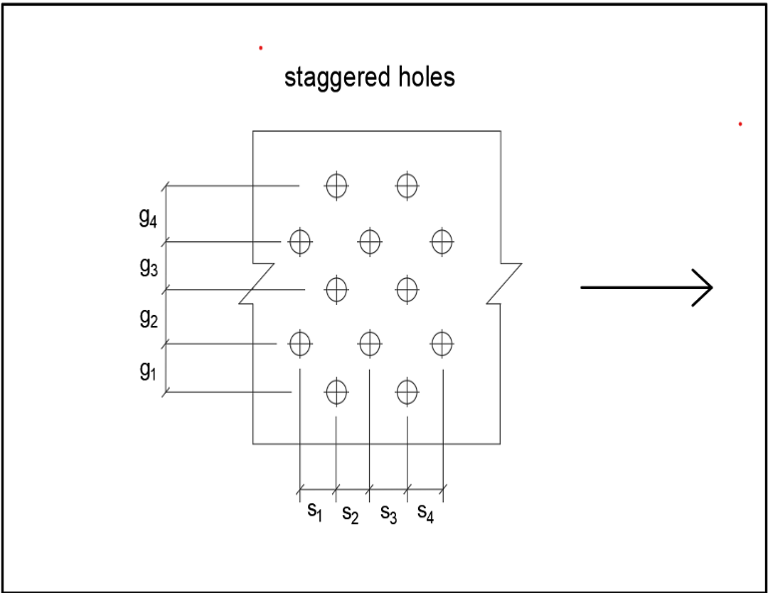 |  |  | Path | 1 | 2 | 3 | 4
Fu, Tensile Stress (ksi) | 58 |  |  | 4.024 |  |  |  |  |  | Ag | 2.7 | 2.7 | 2.7 | 2.7 | Desired radius of gyration, r (in) |  |  | 0.6
 |  |  |  |  |  |  |  |  |  | An | 1.265625 | 1.74375 | 1.74375 | 1.74375
Gross Area (in2) | 2.7 |  |  | Dead Load | Live Load |  |  |  |  | # of hole in the path | 3 | 0 | 0 | 0 | Selecting a Section
Critical Net Area | 1.74 |  |  | 0.529 | 0.132 |  |  |  |  | s1 | 4 | 0 |  |  | Type | AISC Section |  | Ag | t | rmin | Ahole | Required Ag |  | Remarks
 |  |  |  |  |  |  |  |  |  | g1 | 2 | 0 |  |  | L | L4X4X1/4 |  | 1.93 | 0.25 | 1.25 | 0.25 | 1.754 |  | SAFE
Shear Lag Factor (U) | Case 1 |  |  | Total Service Load (kips) |  |  |  |  |  | (s2/4g1)t | 0.85 |  |  |  | WT | WT2X6.5 |  | 1.91 | 0.345 | 1 | 0.345 | 1.849 |  | SAFE
 | 1 |  |  | 0.847 |  |  |  |  |  | s2 | 5 |  | 0 |  | MT | MT2.5X9.45 |  | 2.78 | 0.416 | 1.26 | 0.416 | 1.920 |  | SAFE
 |  |  |  |  |  |  |  |  |  | g2 | 2 |  | 0 |  | ST | ST3X8.6 |  | 2.53 | 0.359 | 0.673 | 0.359 | 1.863 |  | SAFE
DL to LL | DL | LL |  |  |  |  |  |  |  | (s2/4g2)t | 1.328125 |  |  |  | 2L | 2L2X2X1/4 |  | 1.89 | 0.5 | 0.605 | 0.5 | 2.004 |  | UNSAFE
Ratio | 4 | 1 |  |  |  |  |  |  |  | s3 | 0 |  |  | 0
 |  |  |  |  |  |  |  |  |  | g3 | 0 |  |  | 0
 |  |  |  |  |  |  |  |  |  | (s2/4g3)t
 |  |  |  |  |  |  |  |  |  | s4 | 0 |  |  | 0 | NOTE: |  | BLUE FONTS INDICATE USERS INPUT!!
NOTE: | BLUE FONTS INDICATE USERS INPUT!! |  |  |  |  |  |  |  |  | g4 | 0 |  |  | 0
 |  |  |  |  |  |  |  |  |  | (s2/4g4)t
 |  |  |  |  |  |  |  |  |  | Σ(s2/4g)t | 2.178125 | 0 | 0 | 0
 |  |  |  |  |  |  |  |  |  | Net Areas | 3.44375

 |  |  |  |  |  |  |  |  |  | An | 3.44375

